Home

HR Analytics

Department

Ethnicity


Demographics

Overview

Click on the icons to drill into the Analytics

Hiring
Termination

Performance

Overview


Overview
69 K
Average Salary
44
Average age
311
Number of Employees
Slicers

Demographics

Demographics

 | Count of Employee_Name
Widowed | 8
Separated | 12
Divorced | 30
Married | 124
Single | 137
 | Number of Employess
Female | 176
Male | 135
Number of employees Genderwise
Histogram on age of employees
Camparision of
Marital Status

Ethnicity

Ethnicity & Race of Employees


 | Count of Employee_Name
Others | 283
Hispanic or latino | 28
 | Count of Employee_Name
White | 187
Black or African American | 80
Asian | 29
Two or more races | 11
American Indian or Alaska Native | 3
Hispanic | 1
Composition of
US Citizens
95%

Department
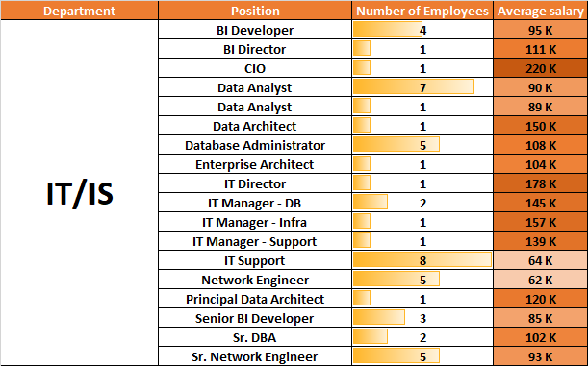
Department Analysis

Hiring

Hiring Analysis

 | Total
Indeed | 87
LinkedIn | 76
Google Search | 49
Employee Referral | 31
Diversity Job Fair | 29
CareerBuilder | 23
Website | 13
Other | 2
On-line Web application | 1
Hiring Trend over the years
Recruitments through
various sources

 | Total
2006 | 1
2007 | 2
2008 | 3
2009 | 7
2010 | 9
2011 | 83
2012 | 45
2013 | 44
2014 | 60
2015 | 36
2016 | 14
2017 | 6
2018 | 1

Termination
Termination Analysis

Termination Trend over the years
 | Count of Employee_Name
2010 | 1
2011 | 3
2012 | 8
2013 | 13
2014 | 13
2015 | 23
2016 | 22
2017 | 8
2018 | 13
 | Count of Employee_Name
Active | 207
Voluntarily Terminated | 88
Terminated for Cause | 16
Employees' term in the Company
 | cnt
Less than one Year | 11
1 to 5 Years | 73
5 to 10 Years | 152
10 to 15 Years | 72
More than 15 Years | 3

Performance
Performance Analysis

Number of Special Projects
7
Average Engagement score
2.2
3
Average Employee Satisfaction
8
Average Absences
Performance KPI s

Slicers

